Readme
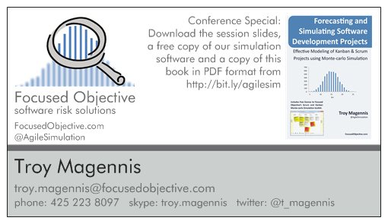
Latent Defect Estimation - Sample, Resample Method
 | Version
What is this: This spreadsheet helps to probabilistically forecast how long it will take to complete features and stories based on range estimates.
How does it work? Given your estimates, this spreadsheet hypothetically completes all work 500 times. It calculates likelihood result as the number of simulated trials that finished on or before a given date.
Why is this better than burndowns and traditional Agile forecasting? Most forecasting techniques give a single date result and hide the likelihood of that date. Most often the date given as the result is 50% because work is divided by an average (or median). Thats the odds of a toin-coss. This method allows the reader to choose the amount of schedule risk they wish to sign-up for. 85% is a common middle ground used in the industry.
Is it reliable? It has no mathematical errors (that we know of!), and all we guarentee is its better than intuition alone and better than simple regression models. But, help us improve it by letting us know when it misses the actual results you are seeing.
How to: Fill in the orange boxes in the Forecast worksheet and read off the dates in the results table adjacent to the likelihood/certainty you think is appropriate. 85% is a common industry level of certainty used.
What is throughput? Where do I get that data? Throughput is the number of DONE stories completed by a team per week or per sprint (you choose in this spreadsheet, default is per week). We will be providing a viz that gathers this data for your team. Stay tuned.
What is this: This spreadsheet uses a sample capture, recapture method to estimate the number of defects remaining in code after testing by multiple groups. It uses techniques common to estimating biological populations.
How does it work? By having two groups independently inspect the same feature or code, the ratio of how many issues were found by both groups and the number found by just one group is an estimator of how thoroughly sampled the feature or code is. If both groups feel they found "everything" and there was complete overlap, then chances are most things were found. If they both found totally separate things, chances are more testing is warranted.
Read more, references and sources:
The capture-recapture method (CRM) has been used for decades by population biologists to accurately determine the number of
organisms studied. LaPorte RE, McCarty DJ, Tull ES, Tajima N., Counting birds, bees, and NCDs. Lancet, 1992, 339, 494-5.
Latent Defect Estimation – Maturing Beyond Defect Removal using Capture-Recapture Method
Joseph R. Schofield Sandia National Laboratories: http://joejr.com/CRMQAI.pdf
Team Software Process; Humphrey; 2000; Addison Wesley. pgs. 345 – 350
How to: Get two groups to test or inspect the same features of code. Have them work independently and report as many defects or issues as they can find. Document these defects in the Two Groups worksheet and mark which group finds each defect. Some defects will be discovered by both, some by the first group and others by the second. Read off the estimated un-discovered defects to the right of the data entry columns.
Ideas, errors, requests? Email: troy.magennis@focusedobjective.com
Work licensed under a Creative Commons Attribution-NonCommercial-ShareAlike 4.0 International License.
Details here: http://creativecommons.org/licenses/by-nc-sa/4.0/ and
http://creativecommons.org/licenses/by-nc-sa/4.0/legalcode
Get more tools like this from: http://bit.ly/SimResources
About us: Focused Objective LLC offers tools, training and expert advice on metrics, risk and forecasting. We have more advanced tools to model Agile teams and projects that help analyze staffing options and risk, and a proven track record of positive results. We are always happy to discuss next steps and training opportunities should this tool prove useful. See our website: http://www.focusedobjective.com or email me at troy.magennis@focusedobjective.com.
 | 1.00 | Initial Version

Please don't by this book on Amazon; its out of date (we leave it there for people who insist on a hard-copy). Go to Bit.ly/agilesim as it says on the card and download for free.
Also - please hire us! we can help with metrics, forecasting and risk management of Agile projects. We are able to make these tools free because we are called upon for our expertise often. Either way, talk to us first before looking elsewhere!

Two Groups
Defect | Found by Group A | Found by Group B
Defect 1 | Yes | No | Total A | 5 | Questions to ask both groups. This analysis needs both groups to feel they tested thoroughly.
Defect 2 | Yes | No | Total B | 4 | 1. Have you tested thoroughly enough that YOU feel all or the major majority of issues are found?
Defect 3 | No | Yes | Only A | 3 | 2. How surprised would you be if another group found double the issues you did?
Defect 4 | Yes | Yes | Only B | 2 | 3. How surprised would you be if this analysis found there are only a FEW latent defects?
Defect 5 | Yes | No | Both | 2
Defect 6 | Yes | Yes | Total | 7
Defect 7 | No | Yes
 |  |  | Total Estimated Defects
 |  |  | 10 |  |  | 20

 |  |  | Estimated Un-discovered Defects
 |  |  | 3

